Introduction
In response to a request from the Department for Health and Social Care for hospital activity by patient country of residence:
FAEs at English hospitals by year going back to 2014/15 split by:
Country of residence based on registered patient postcode (including England, Wales, Scotland, NI)
Admission method (Elective inpatient, elective daycase, regular day/night, emergency, other)
Note that is not possible for us to provide a count of admissions or episodes relating to English patients who received treatment in Wales (or any other locations outside England) as we do not hold the relevant data.
We have therefore provided:
A count of Finished Admission Episodes (FAEs) at hospitals in England, by patient country of residence, with additional breakdown of admissions by type (elective, emergency, other) and of elective admissions between overnight and day cases, for activity taking place between 01/01/2014 and 31/03/2024.
Please also be aware that the data presented here shows a count of events, not patients, and it's possible that the same individual may have had more than one episode or admission in the period.
Please refer to the footnotes when interpreting the data.
We are constantly reflecting on our customer service and we are interested to find out what you thought of the service we provided.
We would therefore very much appreciate if you could spare a couple of minutes to complete a short customer satisfaction survey.
If you have any further queries please contact:
hes.questions@nhs.net
Regards,
Secondary Care; Activity, Capacity & Planning
NHS England
7 and 8 Wellington Place Leeds West Yorkshire LS1 4AP
0300 303 5678
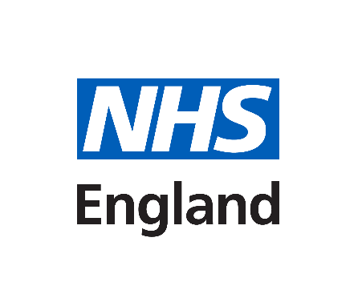

https://crm.digital.nhs.uk/clickdimensions/?clickpage=godygkzjeeebehaqb6q18q

