Interpretation
In response to your enquiry regarding Salmonella, we have provided:
A count of Finished Admission Episodes (FAEs) with a i) primary diagnosis of 'Salmonella' for the financial years 2010-11, 2015-16, 2018-19, 2019-20, 2020-21, 2021-22, 2022-23 & 2023-24 provisional based on the month 8 collection.
This should not be described as counts of people as the same person may have been admitted to hospital on more than one occasion within any given time period.
Please note that 2023-24 data is provisional and based on the Month 8 collection (April to November 2023). This data is incomplete and may be subject to change.
Please refer to the footnotes when interpreting the data
We are constantly reflecting on our customer service and we are interested to find out what you thought of the service we provided.
We would therefore very much appreciate if you could spare a couple of minutes to complete a short customer satisfaction survey.
If you have any further queries please contact hes.questions@nhsdigital.nhs.uk
Regards,
Secondary Care Analysis
NHS Digital
7 and 8 Wellington Place Leeds West Yorkshire LS1 4AP
0300 303 5678
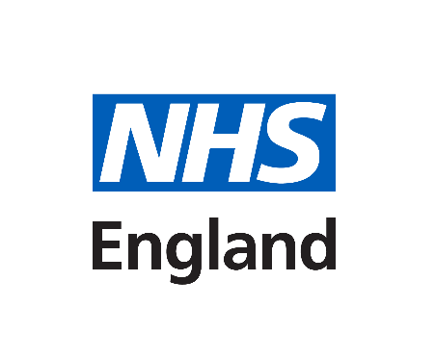

https://crm.digital.nhs.uk/clickdimensions/?clickpage=godygkzjeeebehaqb6q18q

