Cover Page
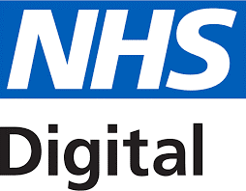

Clinical Safety Hazard Log - FHIR PDS API - API Platform
Programme | Digital Interopability Platform | Document Record ID Key
Sub-Prog / Project | API Platform | API Platform: FHIR PDS-HL-02 (superceding NPFIT-FNT-TO-TOCLNSA-2194)
Prog. Director |  | Status | Approved
Owner | Raman Behl | Version | 4.0
Author | Sean White | Version Date | 2020-12-18

Clinical Safety Hazard Log - FHIR PDS API - API Platform

Copyright © 2018, Health and Social Care Information Centre. NHS Digital is the trading name of the Health and Social Care Information Centre.All Rights Reserved.

